Sheet1
Assignment1 | Select only the most recent order(s) in our orders table.

Create a new database

Create a Orders table

Inserting the values

Query

Result

Assignment2 | Select all records from the suppliers table where there is
 | at least one record in the orders table with the same
 | supplier_id. (Use Exists Operator)

Create Suppliers table

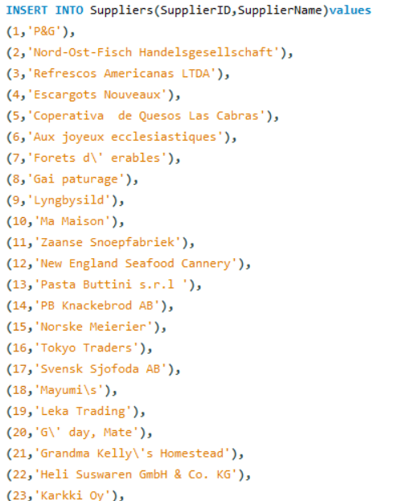
Inserting the values

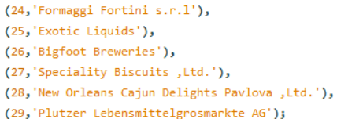

Create ordersdemo table

Inserting the values

Query

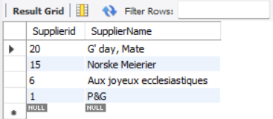
Result

Assignment3 | Select all records from the suppliers table where there are
 | no records in the orders table for the given supplier_id.

Query

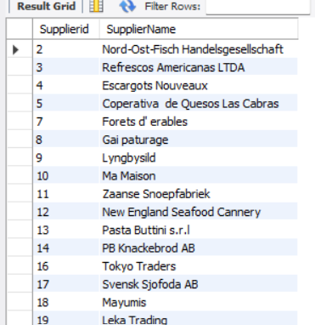
Result

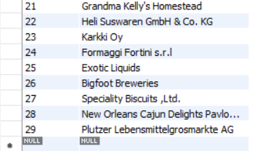

Assignment4 | Display list of customers, together with the value of the
 | most expensive item each has purchased.
 | Use table : Customers, Orders, Order Details
 | Order value = Order Detail.Unitprice * Order
 | Detail.Quantity - Discount (If Applicable)

Create customers table

Inserting the values

Create orders2 table

Inserting the values

Create Orderdetails table

Inserting the values

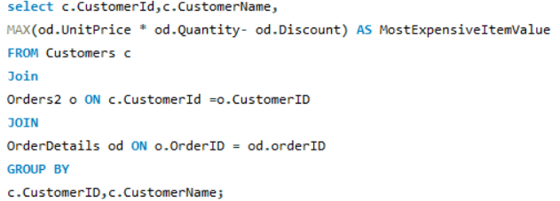
Query

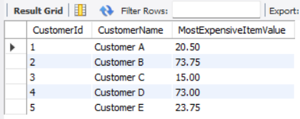
Result

Assignment 5 | Create new table called Employee_Temp.
 | Create two columns firstname and last name
 | Insert all firstname, lastname from employees table to
 | Employee_Temp table

Create Employees table

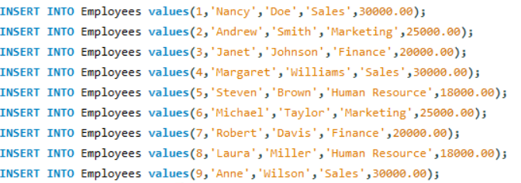
Inserting the values

Creating the Employee_temp
table from employees

Inserting the values from
employees table

Query

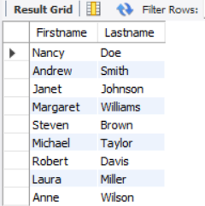
Result

